Sample Tags
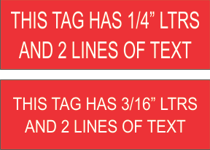
3x1"
 | 1/4" letters, 1 line |  | Other Options |  | 1/4" or 3/16", 2 lines
 |  |  | 1-2 lines with 1/4" letters 1 line with 3/8" or 1/2" ltr

4x2" |  | 1/4" letters, 4 lines |  | 3/8" letters, 3 lines |  |  | 1" letters, 1 line

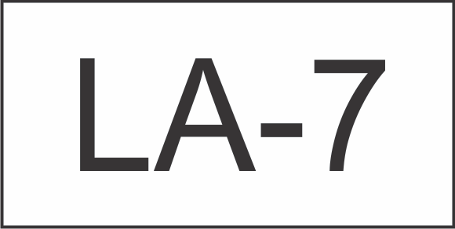

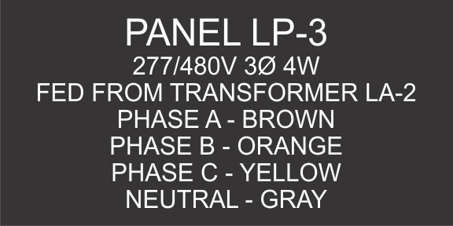
 |  |  |  |  |  |  |  | 1" lettters, 1 line | 1/2" letters, 2 lines
6x3"
 |  |  |  | PANEL LP-3 |  | 3/8" TOP LINE
 |  |  |  | 277/480V 3Ø 4W |  | 1/4" OTHER LINES
 |  |  |  | FED FROM TRANSFORMER LA-2 |  | 1/4" OTHER LINES
 |  |  |  | PHASE A - BROWN |  | 1/4" OTHER LINES
 |  |  |  | PHASE B - ORANGE |  | 1/4" OTHER LINES
 |  |  |  | PHASE C - YELLOW |  | 1/4" OTHER LINES
 |  |  |  | NEUTRAL - GRAY |  | 1/4" OTHER LINES

